Script
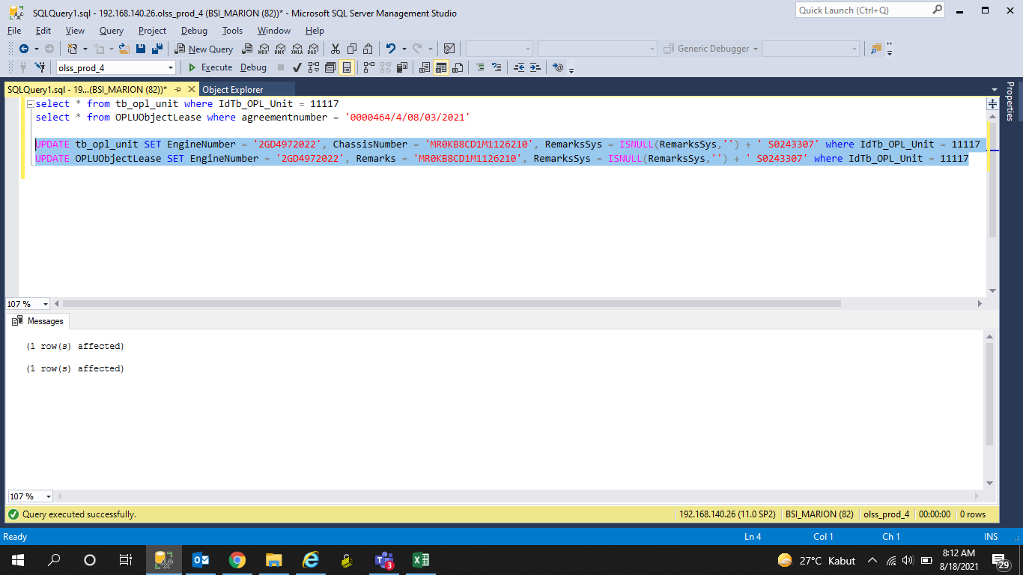
UPDATE tb_opl_unit SET EngineNumber = '2GD4972022', ChassisNumber = 'MR0KB8CD1M1126210',
RemarksSys = ISNULL(RemarksSys,'') + ' S0243307' where IdTb_OPL_Unit = 11117

UPDATE OPLUObjectLease SET EngineNumber = '2GD4972022', Remarks = 'MR0KB8CD1M1126210'
, RemarksSys = ISNULL(RemarksSys,'') + ' S0243307' where IdTb_OPL_Unit = 11117

Screenshot
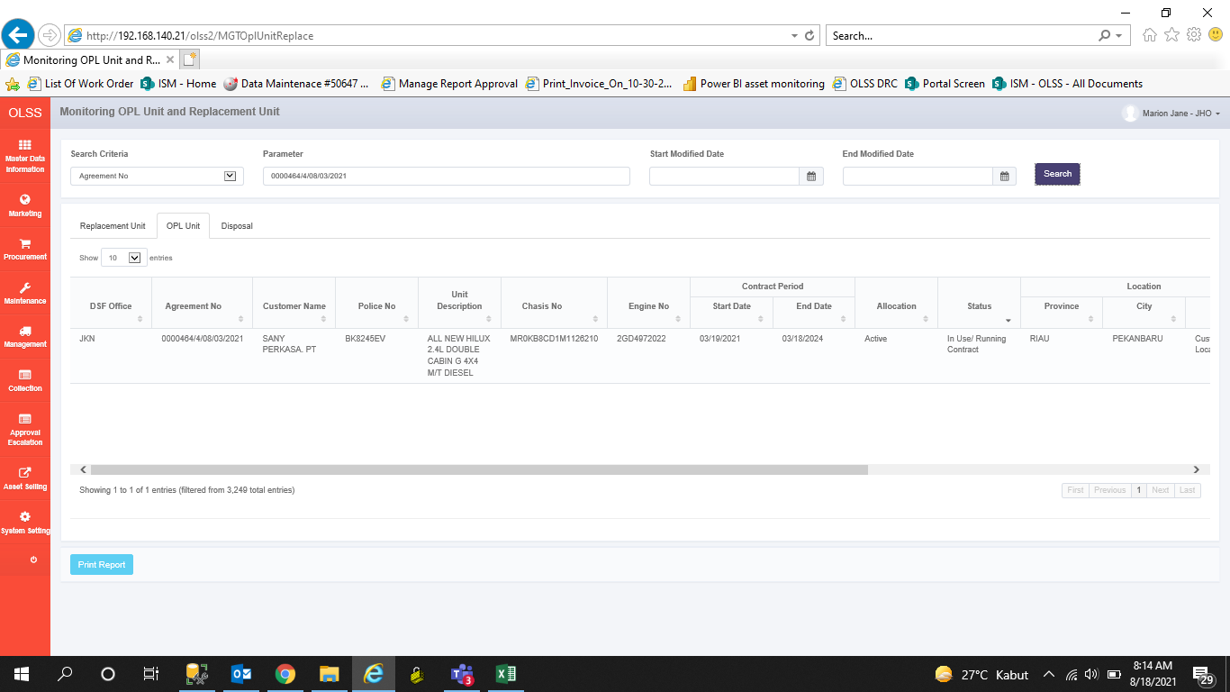
BEFORE


AFTER

